a-candidate-applying-for-bachel
 | Stage | Outline - Persona "Master/Bachelor Student" | Experience | A Candidates Application Journey - Description (Master/Bachelor Student) | Application process storyboard (Master/Bachelor Student) | Expressions
 | Idea | Getting the idea | Thinking | Want to pursue Masters abroad |  | Sad | Normal | Happy | Very Happy
 |  |  | Feeling | Excited to search for study programs that interests me with which I can have a bright future and earn a lot of money!
Binay Singh | Research and Analysis | Looking for Universities | Doing | Start exploring variety of courses offered in different countries. Mainly check for Tution fee of the course. Finalize on Germany!
 Binay Singh is an international bachelor degree holder from India and he is having a thought of pursuing Masters abroad in order to to get educated and a have a bright future and earn a lot of money! |  |  | Thinking | Do I need German language skills? The courses here are 120 ECTS. Can I cope up with the course?
 |  |  | Feeling | Feels happy that Germany offers quality courses at a cheaper Fee and he also has a lot of options in the form of master courses offered by many universities.
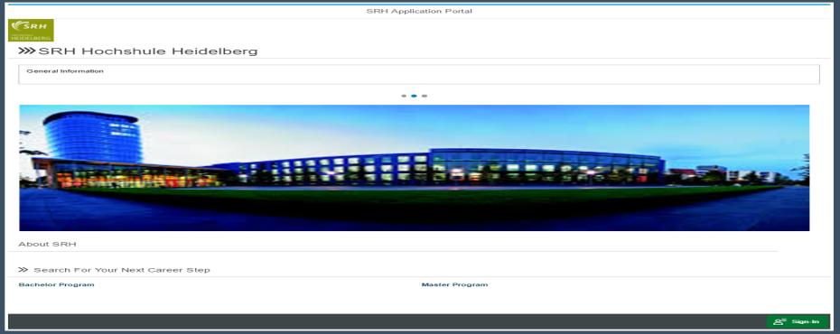
 |  | Finding the Correct one | Doing | Finally zeroed in on SRH Hochschule heidelberg after extensively search for perfect combination "University + Course"
 |  |  | Thinking | How are the job opprtunities after masters from this university. Wish I knew a few people enrolled in this university who could clarify my doubts
 |  |  | Feeling | Wow! Excited and confused as I have a lot of courses to that has impressed me! But need to apply for the program that I like the most
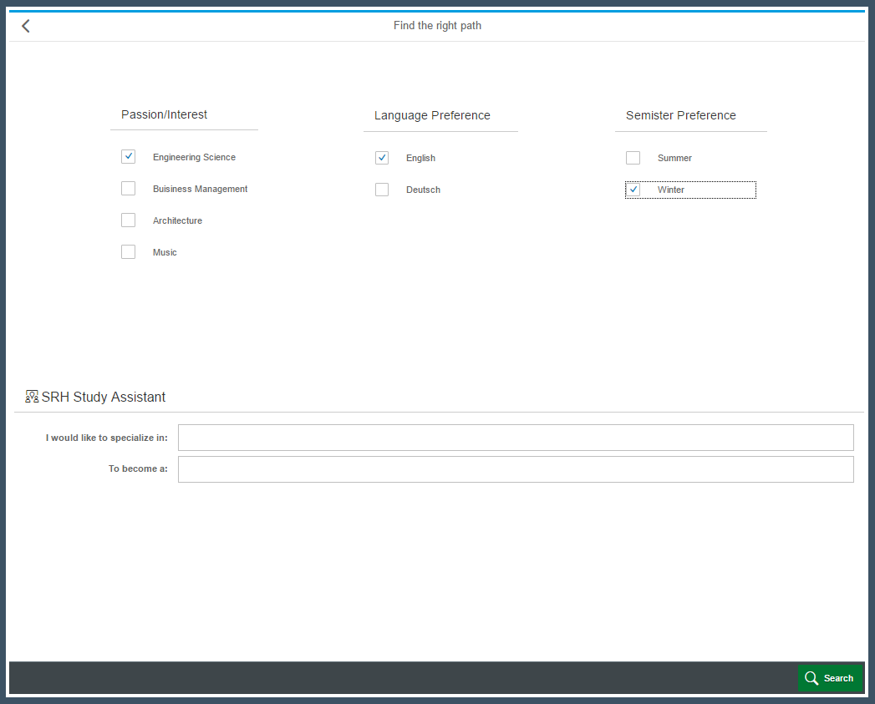
 |  | Looking for a Course | Doing | Explore courses wrt a particular field/department. Also try searching for a course by putting in my interests
 |  |  | Thinking | This website is easy to understand with simple navigation and interesing search techniques
 |  |  | Feeling | Happy and impressed with a variety of programs that are being offered in different fields/areas
 | Finalizing Program/Course | Wow! An interesting Course ! | Doing | This course is the best. I definitely want to apply for this one. But I have to check if I'm eligible for this course. I would even clarify my doubts by discussing a few things regarding this course with public, educational consultancies and on social neworking sites. | 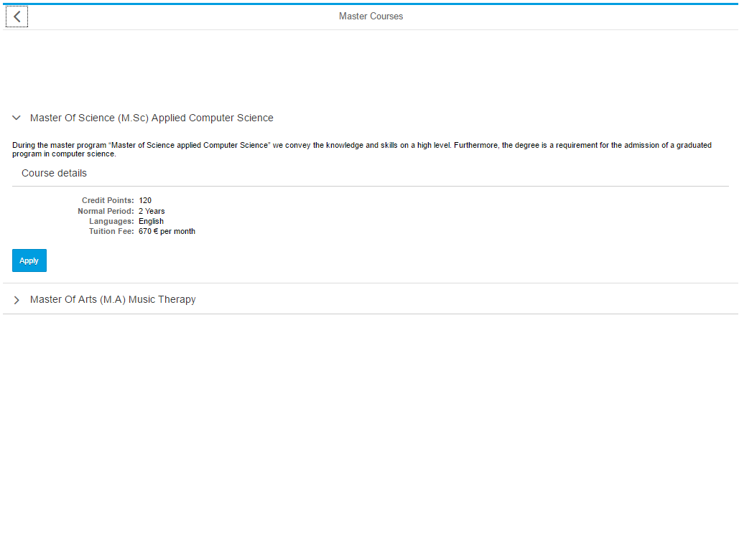
 |  |  | Thinking | Since I have decided to apply in german university, do I need to enroll myself for a german language course? Now I have to put all my documents and cerificates together as I need for uploading on the portal. I even have to wait for a response from a few people who are yet to give me information regarding this course and university. When will this get over!
 |  |  | Feeling | Feeling sad and frustrated for having to wait to get a response and very tiring to get soft copy and hard copies of all the required documents.
 | Application Process | Registering User Account and login | Doing | I have all the necessary documents with me and i'm now to proceed with the application process. I have to register and create a user account with the SRH Website inorder to proceed with my application. I have to put in my credentials to login and then move ahead. | 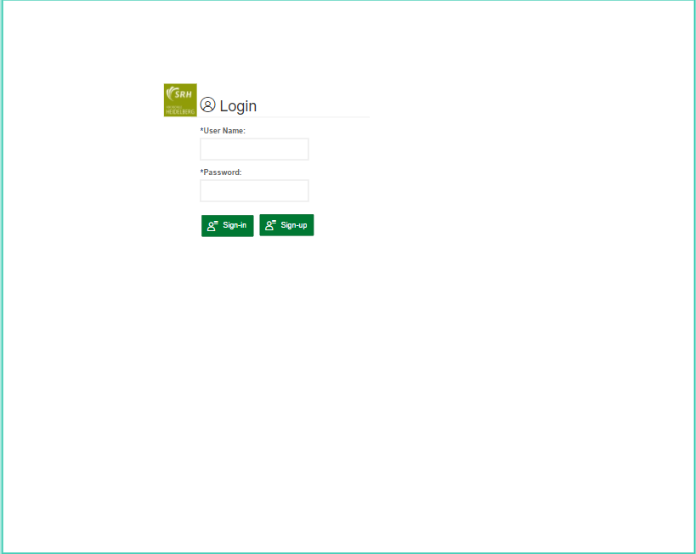
 |  |  | Thinking | Let me finish this application and explore more courses in this university. Let me first note down my credentials on my desktop as it would help me in case I forget them.
 |  |  | Feeling | Happy! The University portal accepted all my details and I'm now just one step away from uploading and applying!
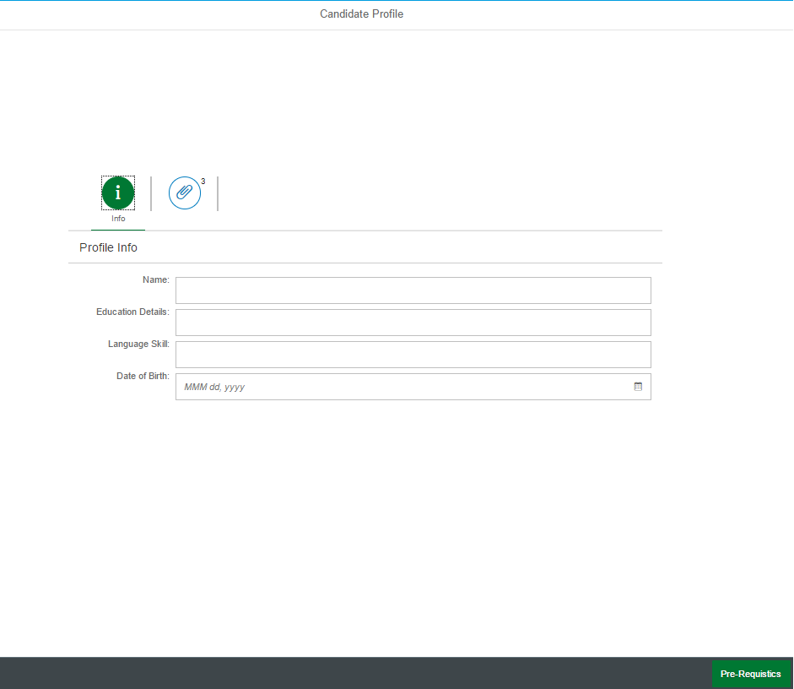
 |  | Starting the Application Process | Doing | I'm now carefully filling out the application
 |  |  | Thinking | Do not make any mistakes and read the questions properly before answering and once answered check the application from beginning for mistakes.
 |  |  | Feeling | Very much serious and concentating fully on the application
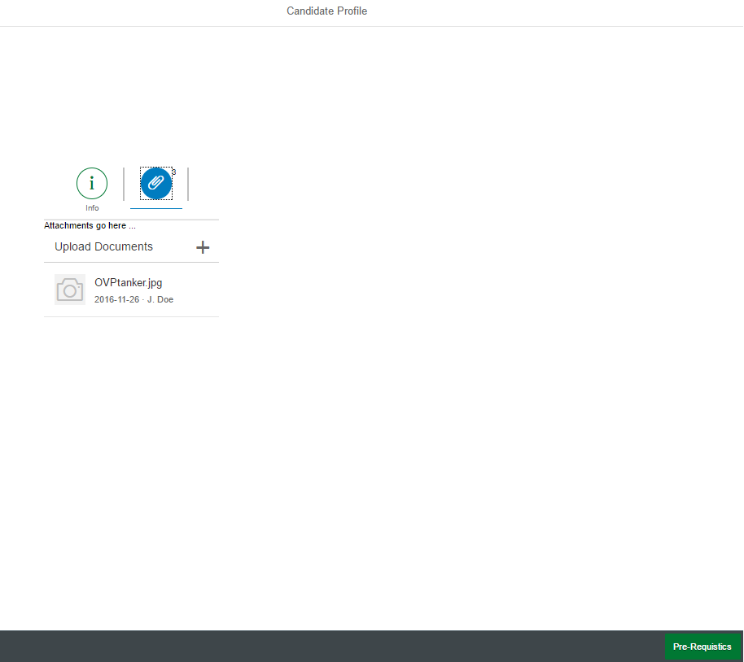
 |  |  | Doing | I have to upload all the necessary documents like educational marksheets, certificates, Curriculam vitae, Statement of purpose( Motivation Letter ) or any other required documents.
 |  |  | Thinking | Hope the web site doesn't crashes and uploading documents doesn’t take time till eternity
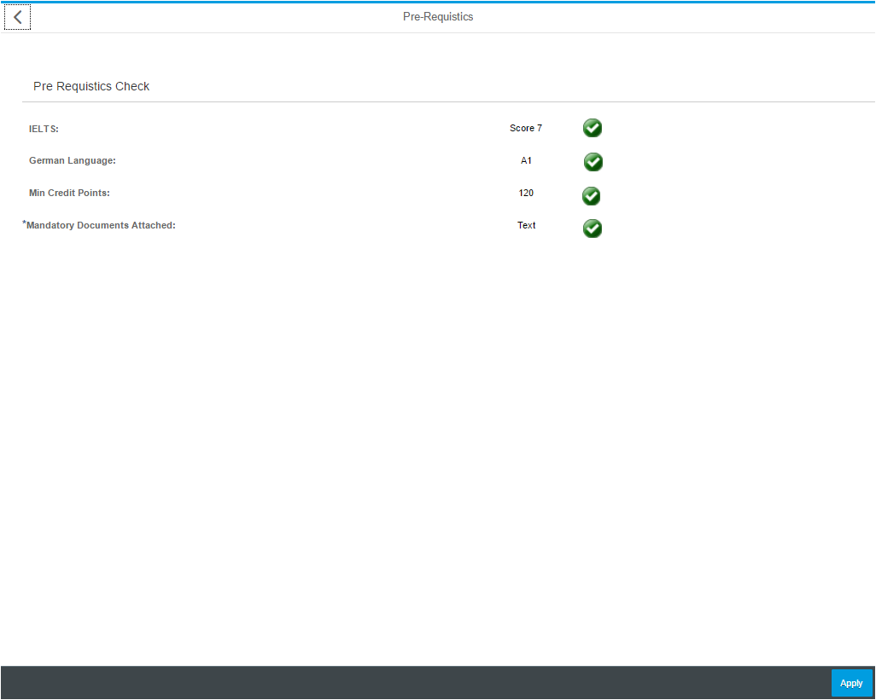
 |  |  | Feeling | I'm happy and serious as I'm patiently waiting for the documents to get uploaded and satify pre-requisites condition.
 |  | Checking pre-requisites | Doing | After attaching all the necessary documents he can check if he has satisfied all the pre-requisites. Once all conditions are satisfied, his application is ready for submition
 |  |  | Thinking | Good that I studied well and got good marks in my bachelors and IELTS
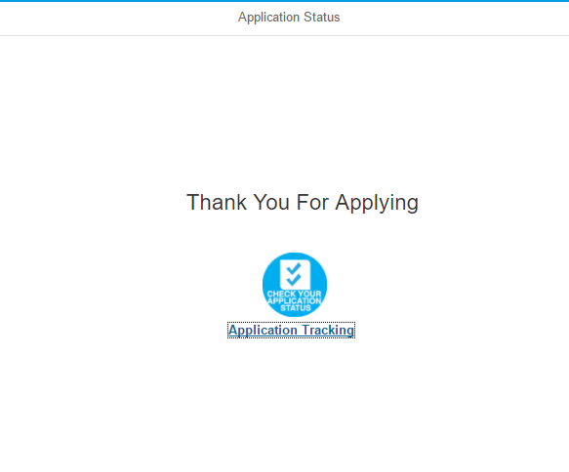
 |  |  | Feeling | Very happy to see green ticks as I'm cleared for applying.
 |  | Submitting the Application | Doing | I have now submitted my application successfully as I got a confirmation message "Thank You for Applying". I'm also provided with an option of tracking my application status.
 |  |  | Thinking | Well that was iet easy and less complicated. Let me just click on the application tracker icon.
 |  |  | Feeling | Very happy and excited to have successfully applied for a program/course.
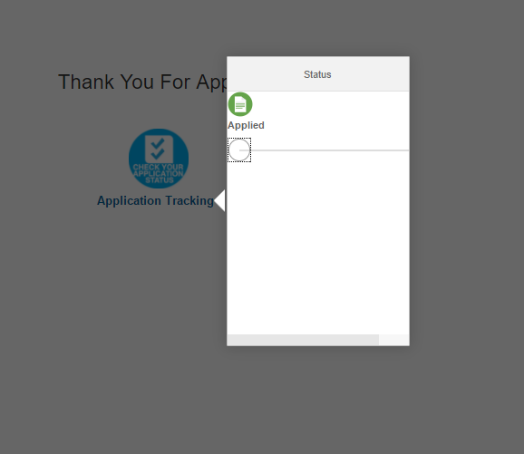
 | Track Status | Tracking the Candidate Application | Doing | I can always login and click on "Application Tracking" icon. Here i can view if my application is accepted or rejected or in-progress.
 |  |  | Thinking | Now this is really very helpful as I need not always contact the university regularly
 |  |  | Feeling | Anxiously waiting for the decision.
 | Enrollment | Candidate Selected and Enrolled. | Doing | After getting a conformation mail from the univsersity about my admission, I will then shop, Book flight ticket, Take some money in the form of cash.
 |  |  | Thinking | Will it be too cold for me to survive. Will I reach my destination without any problems
 |  |  | Feeling | Absolutely fantastic!

